Sheet1
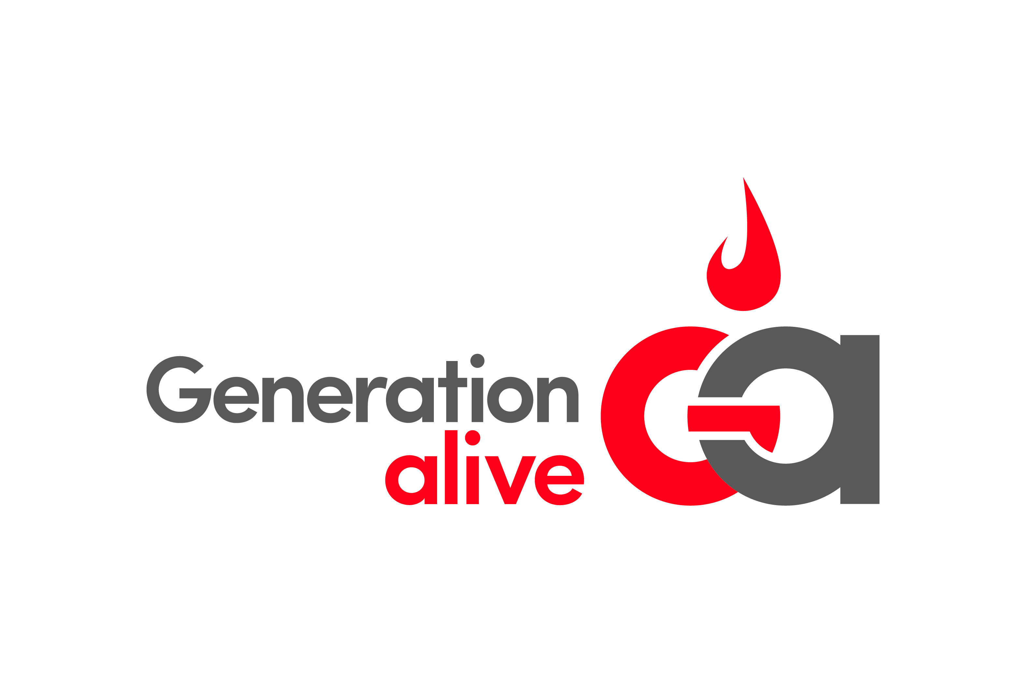

Project: | Action Team Program
Year: | 2021-2022
Number of Action Teams: | 30
Budget for 1 Action Team | $2,000
Total Action Team Project Budget | $60,000

Expense Breakdown (per school)
Action Team Curriculum Supplies | $200
Action Team Shirts | $300
Generation Alive Mobile App Engagement | $200
School Assembly Supplies | $200
Service Project Supplies | $300
Generation Alive Staff & Intern Involvement | $600
Teacher & School Appreciation | $200
 | $2,000

